Summary
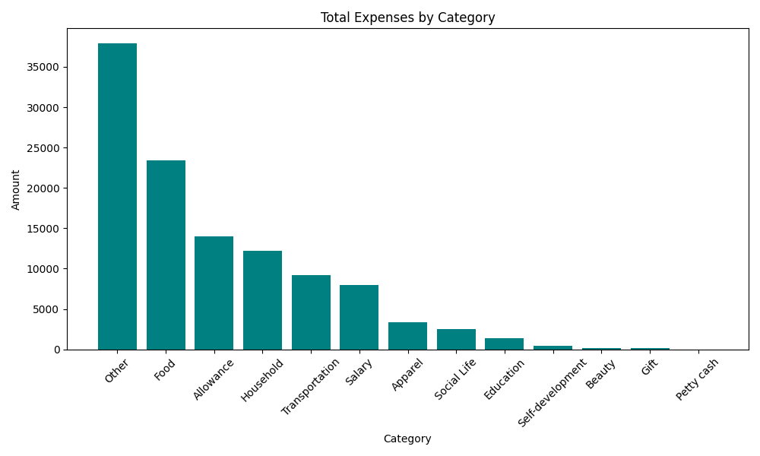
Category | Amount
Other | 37868
Food | 23396.76
Allowance | 14000
Household | 12188
Transportation | 9203.8
Salary | 8000
Apparel | 3388
Social Life | 2513.72
Education | 1400
Self-development | 400
Beauty | 196
Gift | 115
Petty cash | 3

